Flops
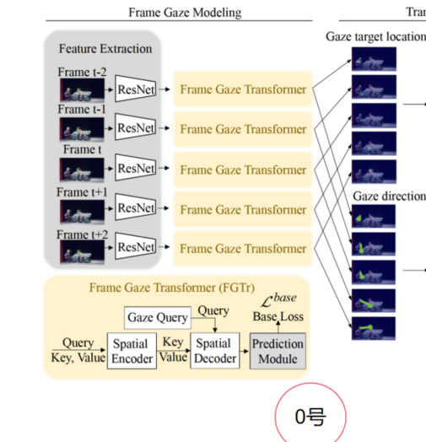
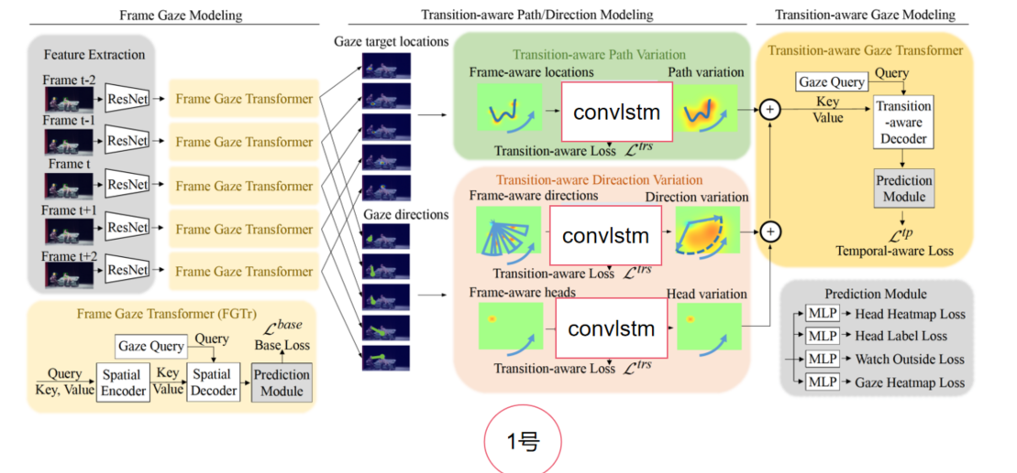

 | input |  | GFlops | MParams
 | 5,3,224,224 | FGTr | 27.71 | 41.52
 | 1,256,14,14 | Decoder | 3.09 | 3.16
 | 1,256,196 | MLP | 0.0016 | 1.61
 |  | FGTr+Decoder+MLP | 30.8016 | 46.29
 | 5,1,64,64 | ConvLSTM | 2.89 | 0.02
 | 5,1,64,64 | BiConvLSTM | 4.32 | 0.04
 | 5,1,64,64 | Self-Attention | 1.69 | 0.08
 | 5,1,64,64 | TVM | 0.14 | 0.02
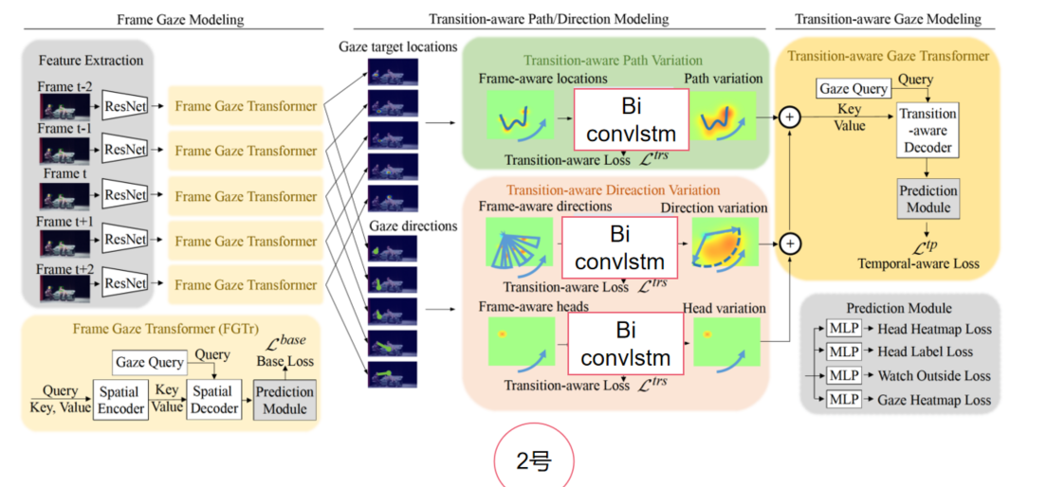
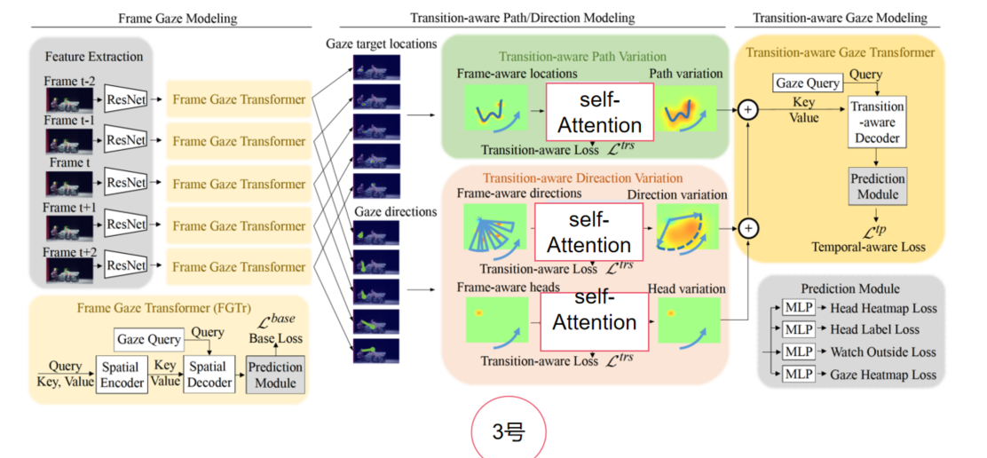
 |  |  | GFlops | MParams
 | 0 | FGTr | 27.71 | 41.52
 | 1 | ConvLSTM | 39.4716 | 46.35
 | 2 | BiConvLSTM | 43.7616 | 46.41
 | 3 | Self-Attention | 35.8716 | 46.53
 | 4 | TVM | 31.2216 | 46.35

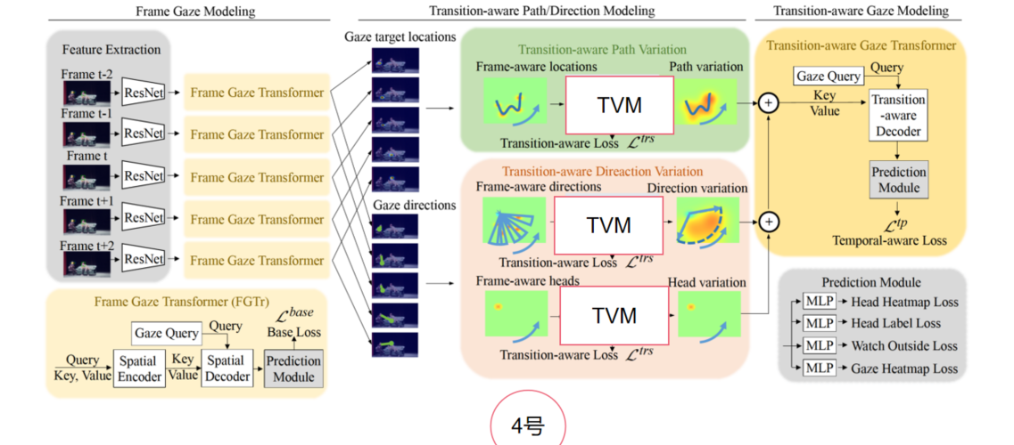

 |  |  |  |  | 1frames |  |  |  | X
 |  | GFlops | MParams |  | input |  | GFlops | MParams | input |  | GFlops | MParams
5,3,224,224 | FGTr | 27.71 | 41.52 |  | 1,3,224,224 | FGTr | 5.542 | 41.52 | 5,3,224,224 | FGTr | 27.71 | 41.52
5,3,224,224 | RestNet50 | 22.71 | 23.51 |  | 1,256,14,14 | Decoder | 3.09 | 3.16 | 0 | 0 | 0 | 0
5,2048,7,7 | conv2d | 0.12 | 0.5 |  | 1,256,196 | MLP | 0.0016 | 1.61 | 0 | 0 | 0 | 0
5,256,49 | Encoder | 1.93 | 7.8 |  |  | FGTr+Decoder+MLP | 8.6336 | 46.29 |  | FGTr+Decoder+MLP | 27.71 | 41.52
5,256,49 | Decoder | 2.32 | 9 |  | 1,1,64,64 | TVM | 0.14 | 0.02 | 0 | 0 | 0 | 0
5,49,256 | 2个mlp | 0.04 | 0.16 |  |  |  | 9.0536 | 46.35 |  |  | 27.71 | 45.52
 | 四舍五入产生的精度缺失 | 0.59 | 0.55
 |  |  |  |  | 3frames |  |  |  | path
 |  |  |  |  | input |  | GFlops | MParams | input |  | GFlops | MParams
 |  |  |  |  | 3,3,224,224 | FGTr | 16.626 | 41.52 | 5,3,224,224 | FGTr | 27.71 | 41.52
 |  |  |  |  | 1,256,14,14 | Decoder | 3.09 | 3.16 | 1,256,14,14 | Decoder | 3.09 | 3.16
 |  |  |  |  | 1,256,196 | MLP | 0.0016 | 1.61 | 1,256,196 | MLP | 0.0016 | 1.61 | 3.0916 | 4.77
 |  |  |  |  |  | FGTr+Decoder+MLP | 19.7176 | 46.29 |  | FGTr+Decoder+MLP | 30.8016 | 46.29
 |  |  |  |  | 3,1,64,64 | TVM | 0.42 | 0.02 | 5,1,64,64 | TVM | 0.14 | 0.02
 |  |  |  |  |  |  | 20.9776 | 46.35 |  |  | 30.9416 | 46.31

 |  |  |  |  | 7frames |  |  |  | direction
 |  |  |  |  | input |  | GFlops | MParams | input |  | GFlops | MParams
 |  |  |  |  | 7,3,224,224 | FGTr | 38.794 | 41.52 | 5,3,224,224 | FGTr | 27.71 | 41.52
 |  |  |  |  | 1,256,14,14 | Decoder | 3.09 | 3.16 | 1,256,14,14 | Decoder | 3.09 | 3.16
 |  |  |  |  | 1,256,196 | MLP | 0.0016 | 1.61 | 1,256,196 | MLP | 0.0016 | 1.61
 |  |  |  |  |  | FGTr+Decoder+MLP | 41.8856 | 46.29 |  | FGTr+Decoder+MLP | 30.8016 | 46.29
 |  |  |  |  | 7,1,64,64 | TVM | 0.98 | 0.02 | 5,1,64,64 | TVM | 0.14 | 0.02
 |  |  |  |  |  |  | 44.8256 | 46.35 |  |  | 31.0816 | 46.33

 |  |  |  |  |  |  |  |  | 3layer-mamba
 |  |  |  |  |  |  |  |  | input |  | GFlops | MParams
 |  |  |  |  |  |  |  |  | 5,3,224,224 | FGTr | 27.71 | 41.52
 |  |  |  |  |  |  |  |  | 1,256,14,14 | Decoder | 3.09 | 3.16
 |  |  |  |  |  |  |  |  | 1,256,196 | MLP | 0.0016 | 1.61
 |  |  |  |  |  |  |  |  |  | FGTr+Decoder+MLP | 30.8016 | 46.29
 |  |  |  |  |  |  |  |  | 5,1,64,64 | 3layer-mamba | 1.0155 | 319.47
 |  |  |  |  |  |  |  |  |  |  | 31.8171 | 365.76

维度变化
